DASHBOARD
SALES ANALYTICS DASHBOARD
Track Performance. Analyze Trends. Drive Growth.
Data as of:
Sep 13,2026

Dashboard
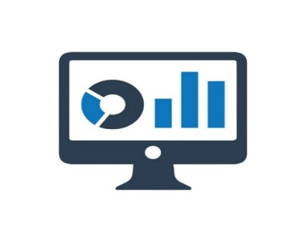

Analysis
2,887
TOTAL REVENUE
QUANTITY SOLD
5,314
500
TOTAL ORDERS
AVG ORDER VALUE
TOTAL CUSTOMERS
14,43,358
206
Data
Monthly Sales Trend
 | Sum of Sales Amount | Sum of Sales Amount2
Jan | ₹ 163K | ₹ 163K
Feb | ₹ 92K | ₹ 92K
Mar | ₹ 110K | ₹ 110K
Apr | ₹ 139K | ₹ 139K
May | ₹ 166K | ₹ 166K
Jun | ₹ 89K | ₹ 89K
Jul | ₹ 136K | ₹ 136K
Aug | ₹ 108K | ₹ 108K
Sep | ₹ 108K | ₹ 108K
Oct | ₹ 100K | ₹ 100K
Nov | ₹ 119K | ₹ 119K
Dec | ₹ 114K | ₹ 114K
SALES BY REGION
 | Total
South | ₹ 334,589
North | ₹ 335,657
West | ₹ 367,091
East | ₹ 406,021
PROFIT BY REGION
 | Total
North | ₹ 104,478
South | ₹ 113,439
West | ₹ 122,527
East | ₹ 135,448
TOP 5 CUSTOMERS BY REVENUE
 | Total
Jonathan | ₹ 20,482
Maria | ₹ 21,957
Harold | ₹ 24,035
Alaia | ₹ 25,322
Vivian | ₹ 28,354

SALES VS COST BY PRODUCT
 | Sum of Sales Amount | Sum of Cost Amount
Backpack | ₹ 230,365 | ₹ 152,190
Chair | ₹ 345,730 | ₹ 232,134
Charger | ₹ 146,737 | ₹ 95,971
Desk Lamp | ₹ 78,689 | ₹ 52,823
Notebook | ₹ 274,220 | ₹ 186,828
Pen Set | ₹ 119,908 | ₹ 80,582
USB Drive | ₹ 247,710 | ₹ 166,937
SALES BY ITEM CATEGORY
 | Total
Backpack | ₹ 230,365
Chair | ₹ 345,730
Charger | ₹ 146,737
Desk Lamp | ₹ 78,689
Notebook | ₹ 274,220
Pen Set | ₹ 119,908
USB Drive | ₹ 247,710
QUANTITY SOLD BY PRODUCT
 | Total
Desk Lamp | ₹ 324
Pen Set | ₹ 418
Charger | ₹ 510
Backpack | ₹ 789
Notebook | ₹ 931
USB Drive | ₹ 1,016
Chair | ₹ 1,326
ORDERS OVER TIME
 | Count of Order ID | Count of Order ID2
Jan | 46 | 46
Feb | 40 | 40
Mar | 36 | 36
Apr | 48 | 48
May | 47 | 47
Jun | 32 | 32
Jul | 46 | 46
Aug | 44 | 44
Sep | 36 | 36
Oct | 33 | 33
Nov | 42 | 42
Dec | 50 | 50
INSIGHTS
Sales Target
15,00,000/-
Archieved
14,43,358/-

